Task 1
 |  | Total Mark Possible | 10
Task | Description
1 | Create yourownApp icon in 3 different resolutions (it doesn’t need to be beautiful!). Use Photoshop or gimp etc. | Done? | Yes

Screen | 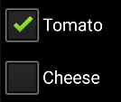 EXAMPLE: Screen shot of the functionality working

Code 1 | Example Code screen shot 1
Code 2 | EXAMPLE: code screen shot 2 (if needed)
Code 3
 | Three Icons
 | Anything special about the way this task was done?

 | 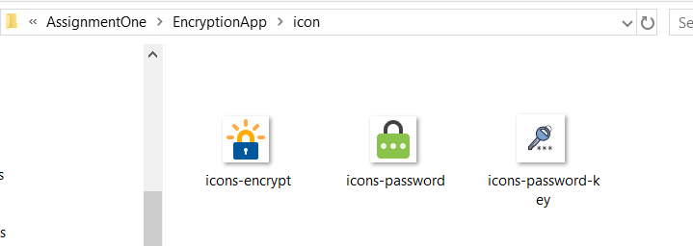

 | Icon code screenshot above

 | Icon screenshot in the Android studio
 | 

 | 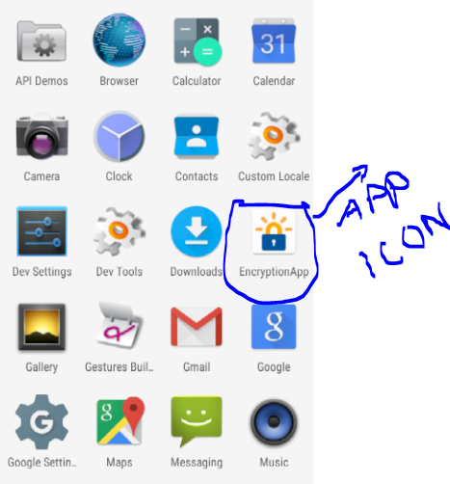
 | 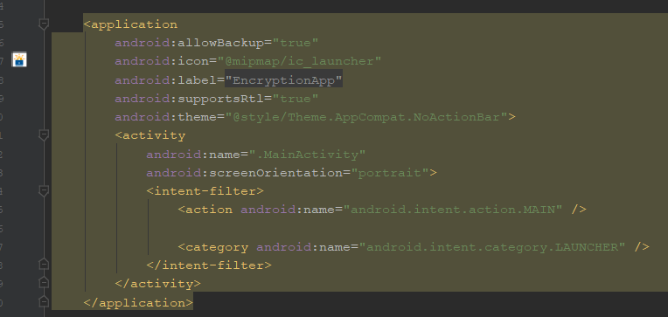

Task 2
Screen | Description | Total Task Mark Possible | 10
0 | Create a main Activity with at least one each of: TextView, EditText and Button components. Use at least two layout managers and embed one inside another eg. one LinearLayout inside another LinearLayout. | Done? | yes
 | First Screenshot
Screen | 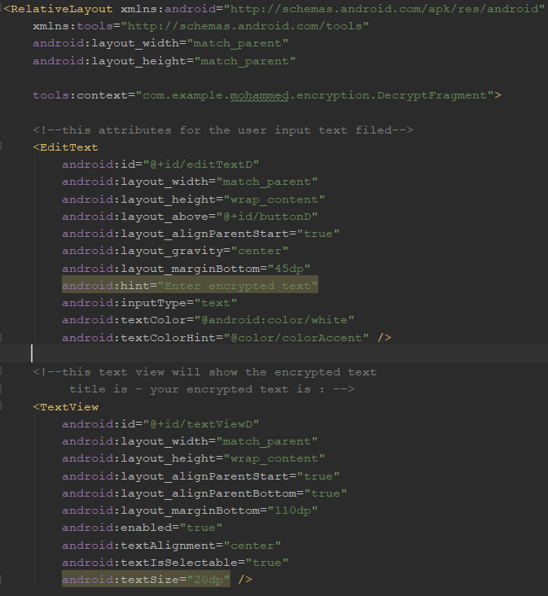 EXAMPLE: Screen shot of the functionality working (use widows snipping tool or equivalent on your OS)
 | Second Screenshot
Code 1 | 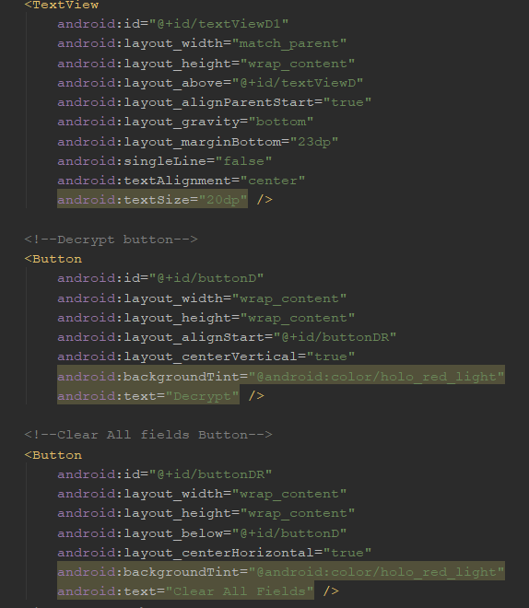
Code 2 | Third Screenshot showing LinearLayout within RelativeLayout
Code 3 | 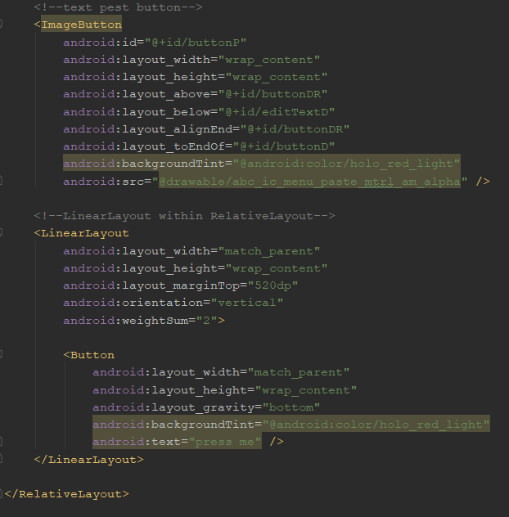 example code screen shot 3 (if needed)

 | App Screenshot
 | 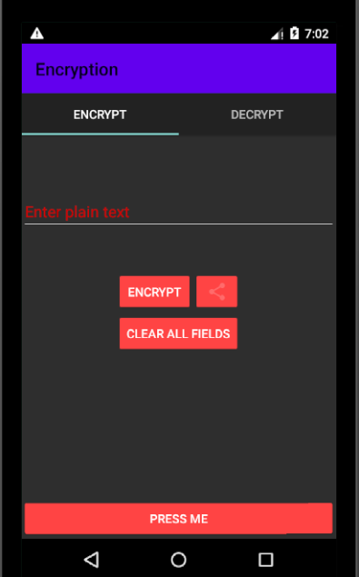

Task 3
Screen | Description | Total Task Mark Possible | 10
0 | Process the events on at least one of the GUI components in 1) above. The App should perform the logic in the 'Overview' above. | Done? | yes

Screen | EXAMPLE: Screen shot of the functionality working (use widows snipping tool or equivalent on your OS) | 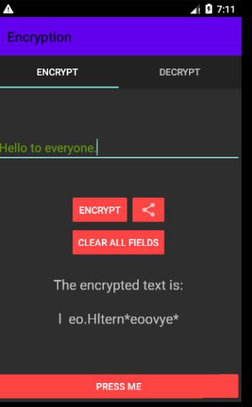
 |  | XML Screenshot of the logic work of the encryption
Code 1 | Example Code screen shot 1 (use widows snipping tool or equivalent on your OS) | 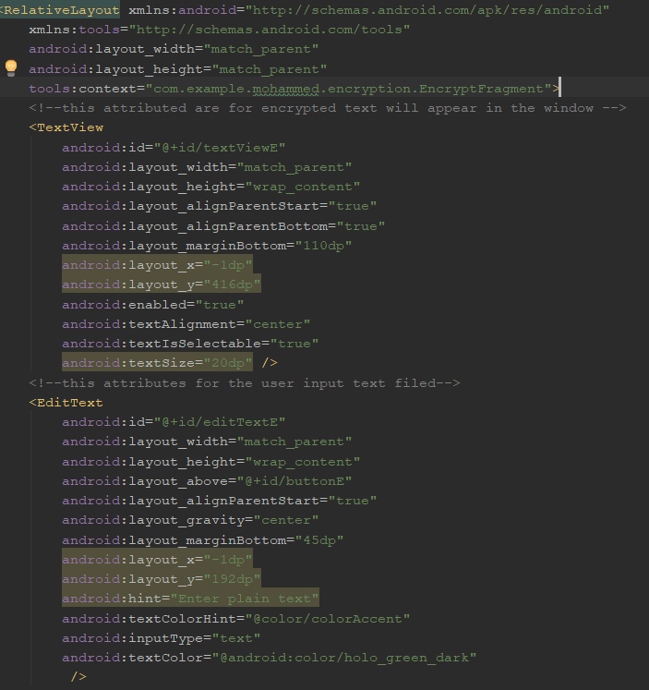
Code 3 | code screen shot 2 (if needed) | 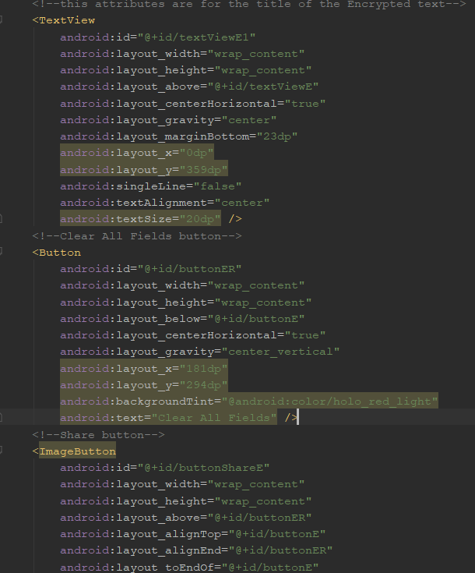
Code 3 | example code screen shot 3 (if needed) | 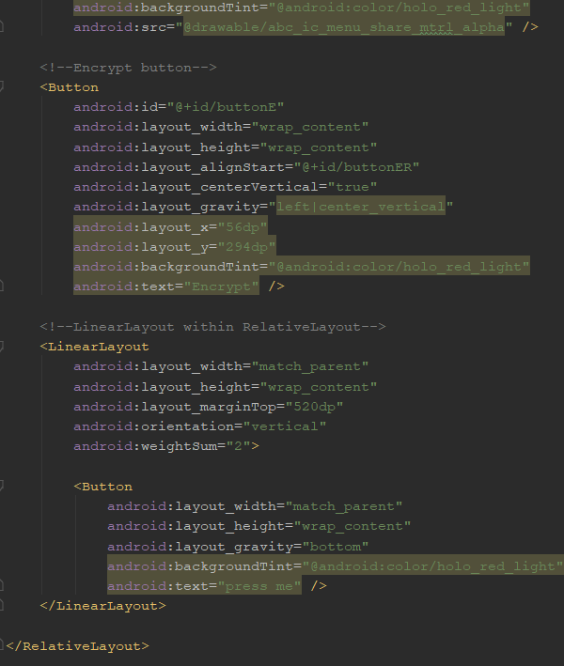

 |  | Java code screenshot logic of the encryption
 | Add more app or code screen shots if you need to.
 | 1st Screenshot | 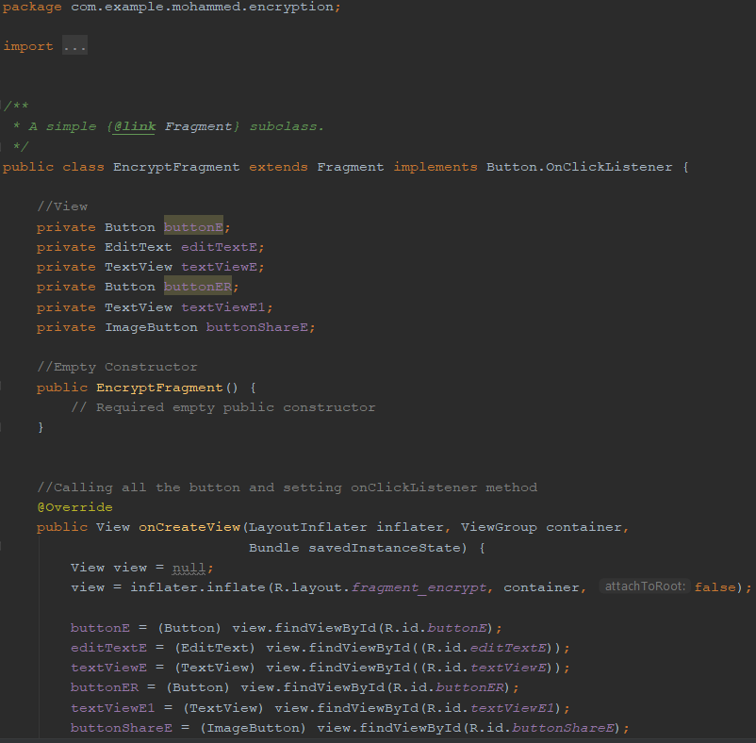

 | Second Screenshot | 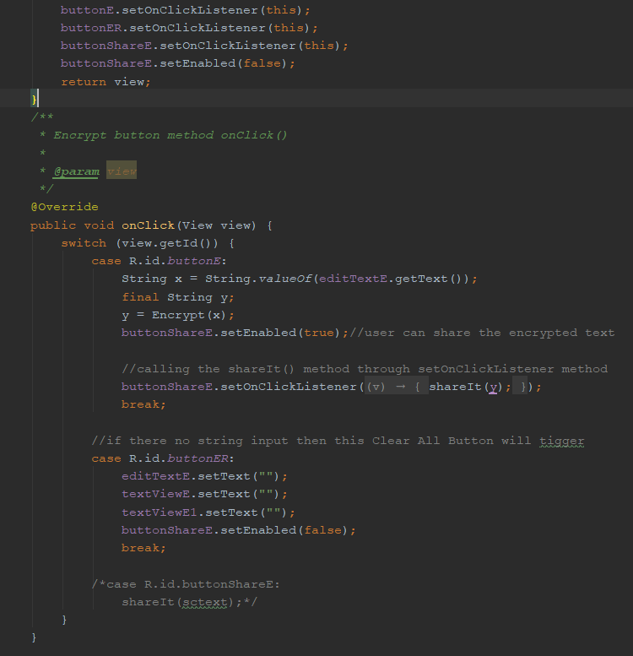

 | Third Screenshot | 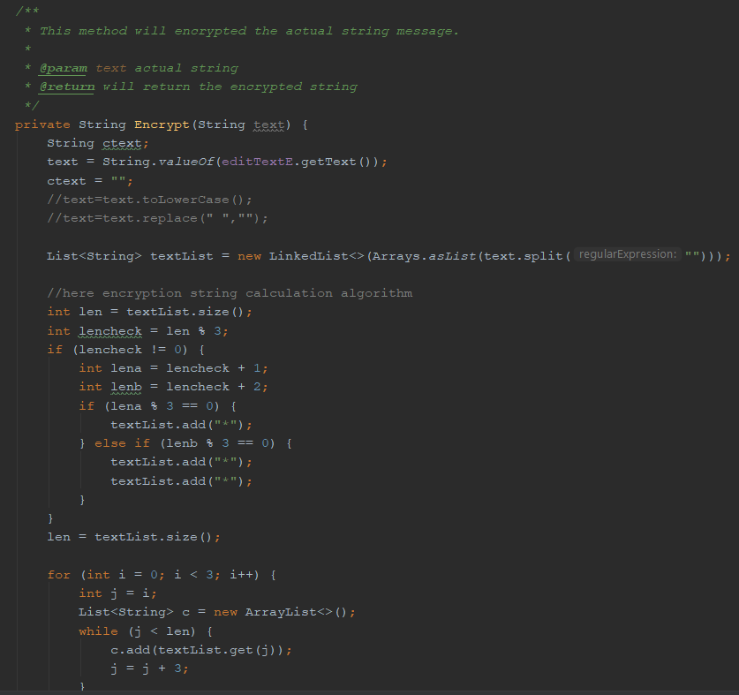
 | Fourth Screenshot | 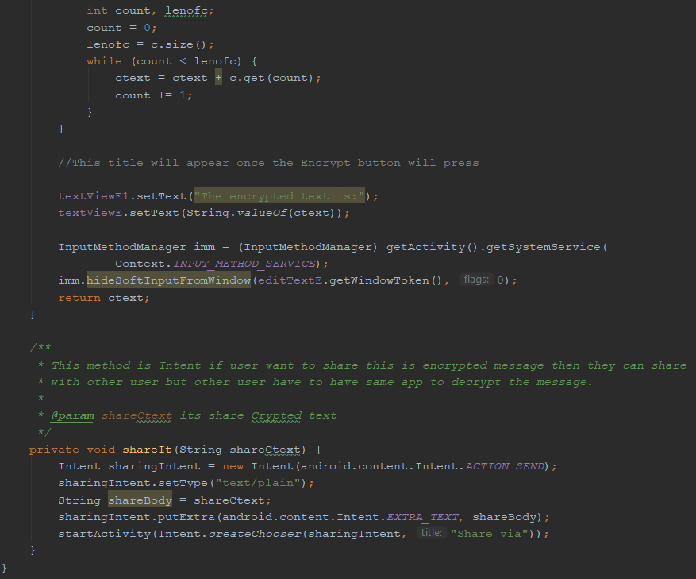

Task 4
Screen | Description | Total Task Mark Possible | 10
0 | A trigger on the first Activity launches a second Activity and passes some data to it for display. Another trigger in the first Activity that launches a Third Activity. The 3rd activity passes data back to the first Activity for display. | Done? | yes

Screen | Once user put text and press the ENCRYPT button it trigger the and activity and display encryption text | 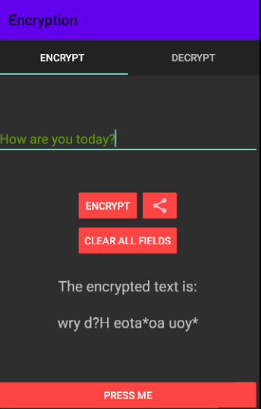

Code 1 | Once user press CLEAR ALL FIELDS button it trigger anactivity and clear all the input | 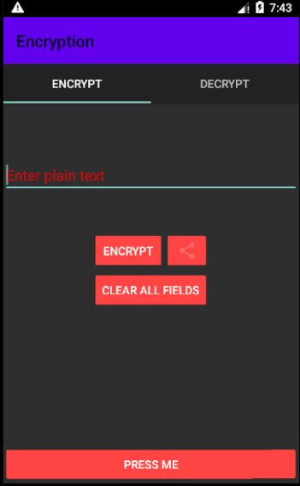
Code 2 | When user press share button it trigger another activity which is Intent user can send email share with social media etc. | 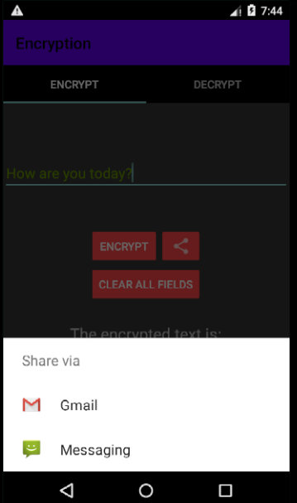
Code 3 | user copied text and entered for decryption through pest button | 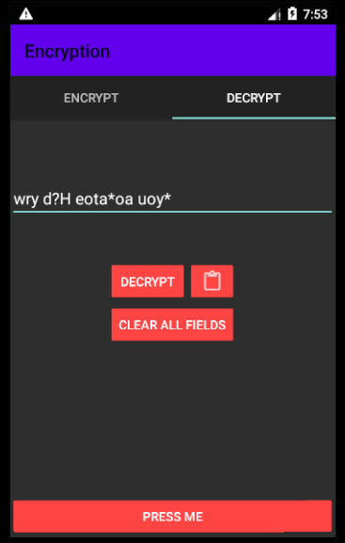

 | Once user press DECRYPT button data recovered screenshot | 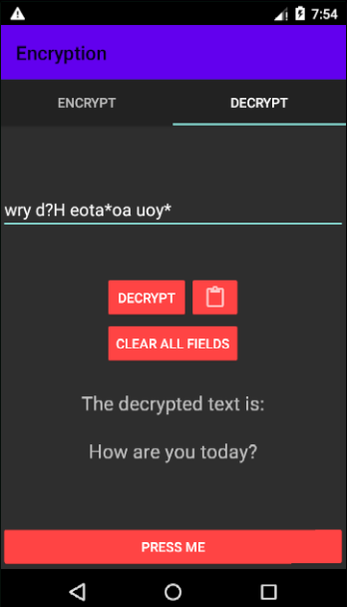
 | Add more app or code screen shots if you need to.
 | Java code screenshot showing the trigger one activity to another activity | 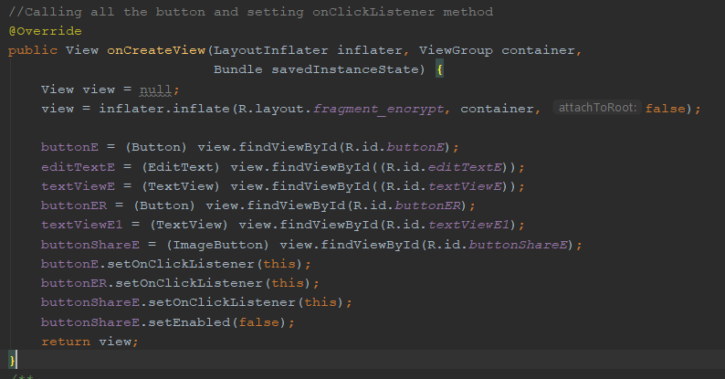
 | onClick method for triggering different activity | 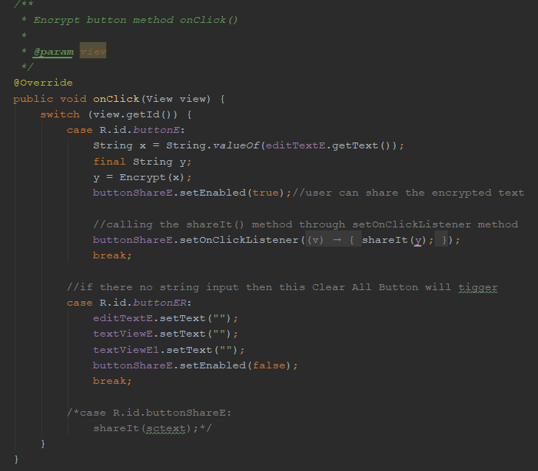

 | shareIt() method trigger java working code screenshot | 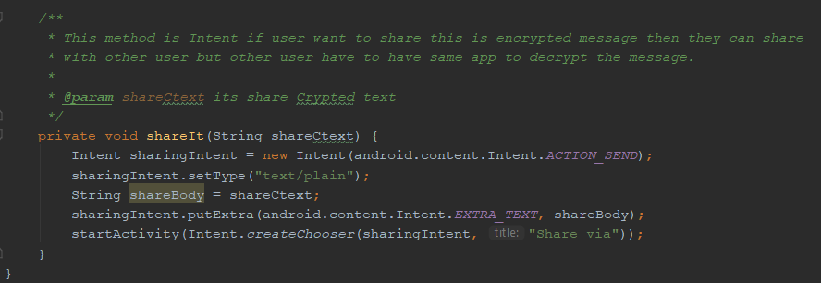

 | When user press encrypt button here is the java code how its working when pressing the button | 

Task 5
Screen | Description | Total Task Mark Possible | 10
0 | Localise your App’s text (in Strings.xml), including it’s name, for a second language of your choice. Change the language setting in your AVD to show that your App correctly & automatically switches to and from the second language. | Done? | yes
 | French language working screen short
Screen | 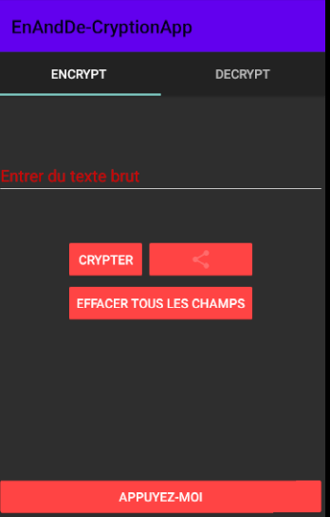 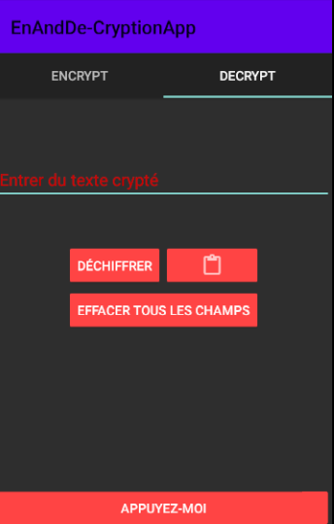
 | String name transfer to the string file
Code 1 | 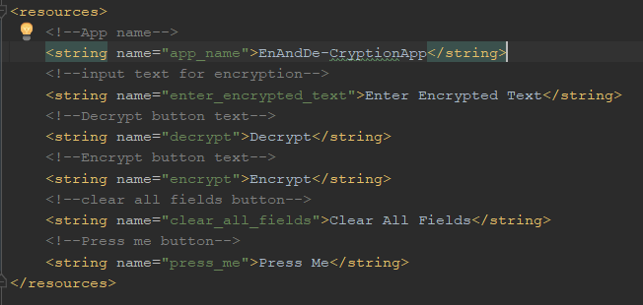 Example Code screen shot 1 (use widows snipping tool or equivalent on your OS)
Code 2 | String converter to french language
Code 3 | 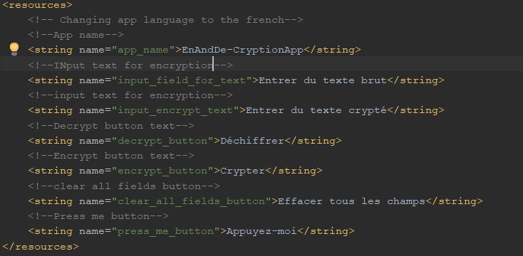 example code screen shot 3 (if needed)

 | Add more app or code screen shots if you need to.

Task 6
Screen | Description | Total Task Mark Possible | 10
0 | Show the user an Alert with three buttons using AlertDialog class and process the button presses | Done? | yes
 | Alert message for exit from the app if press no it won't exit and if press yes it will wxit from the app.
Screen | 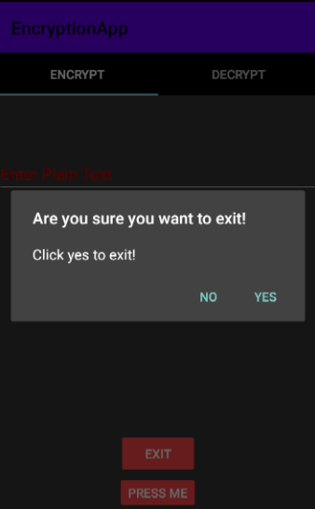
 | This is code for the alert
Code 1 | 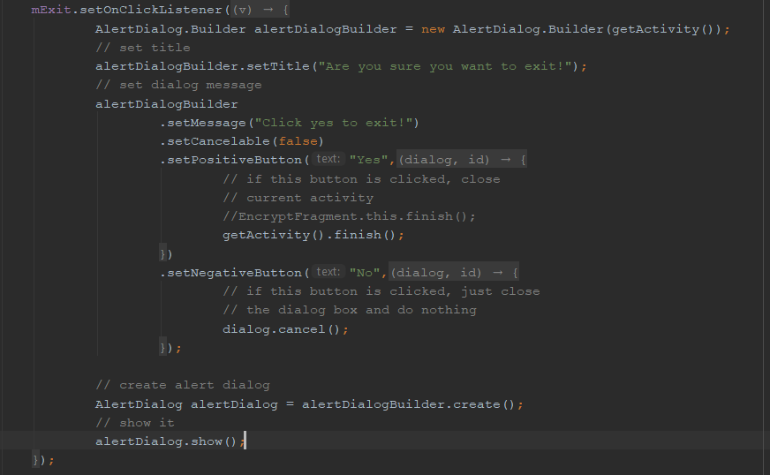 Example Code screen shot 1 (use widows snipping tool or equivalent on your OS)
Code 2 | XMLcode
Code 3 | 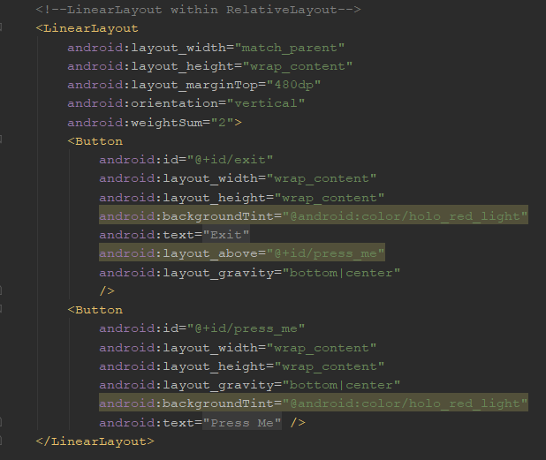 example code screen shot 3 (if needed)

 | Add more app or code screen shots if you need to.

Task 7
Screen | Description | Total Task Mark Possible | 10
0 | Create an notification with a pending intent.Tapping in the expanded notification makes a call the number 021 0000001 | Done? | yes
 | Phone notofication sign appeared on top of the mobile screen and after slide from the top screen short
Screen | 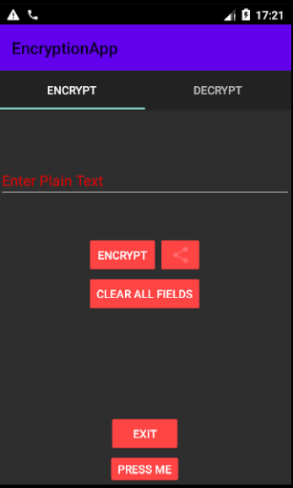 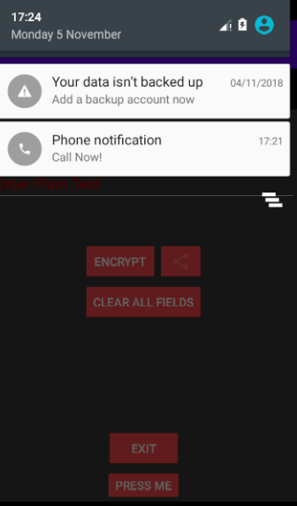

Screen | After press the notification it will take to the phone dial screen
Screen Short | 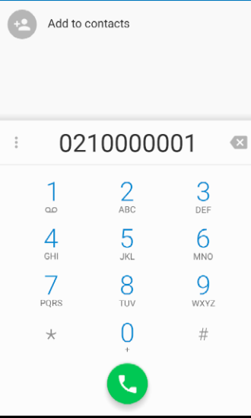
Code 3 | example code screen shot
 | 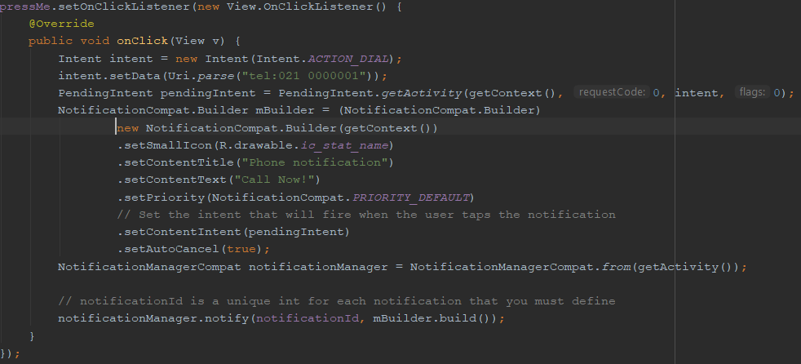

 | Add more app or code screen shots if you need to.

Task 8
Screen | Description | Total Task Mark Possible | 10
0 | Use method onSaveInstanceState() to save any variables during orientation changes to be then restored. | Done? | yes/no
 | Once the responde button pressed the saved text will appear on the screen.
Screen | 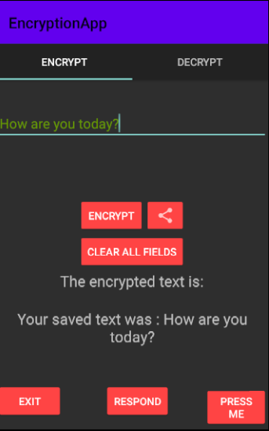

Code 1 | Code screen short how onSaveInstanceState()
Code 2 | 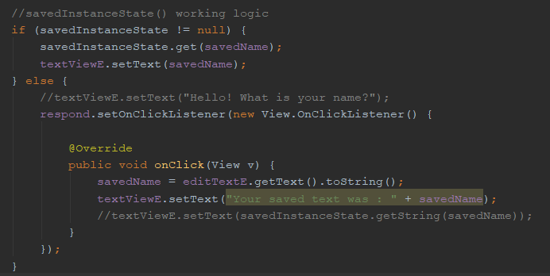
Code 3 | example code screen shot 3 (if needed)

 | Add more app or code screen shots if you need to.

Task 9
Screen | Description | Total Task Mark Possible | 10
0 | Draw a graphic to display some app related info. (*) | Done? | yes
 | I have used fragment for the app and here are couople of screen short that app is working.
Screen | 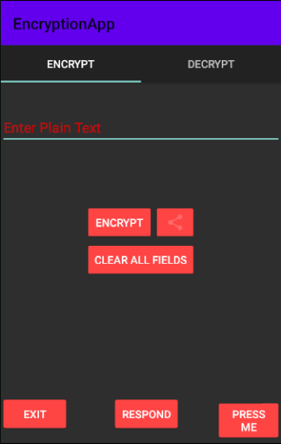 

Screen | 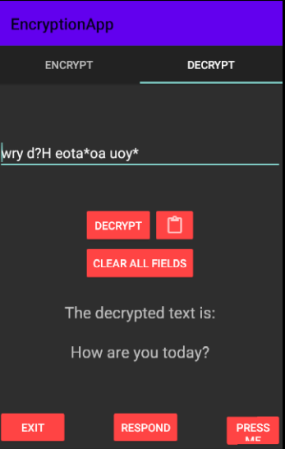 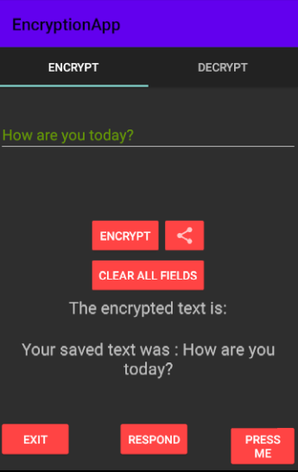
Code 1 | 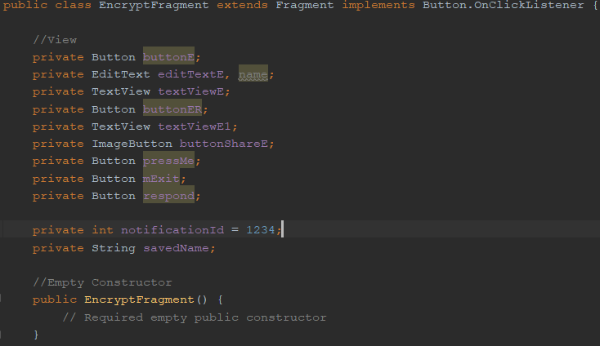 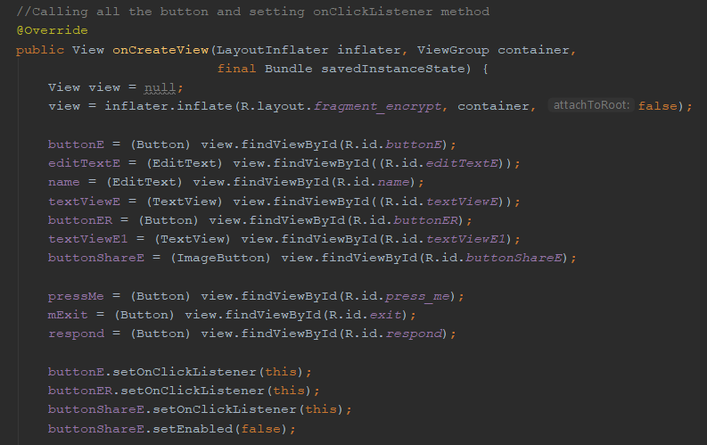
Code 2 | 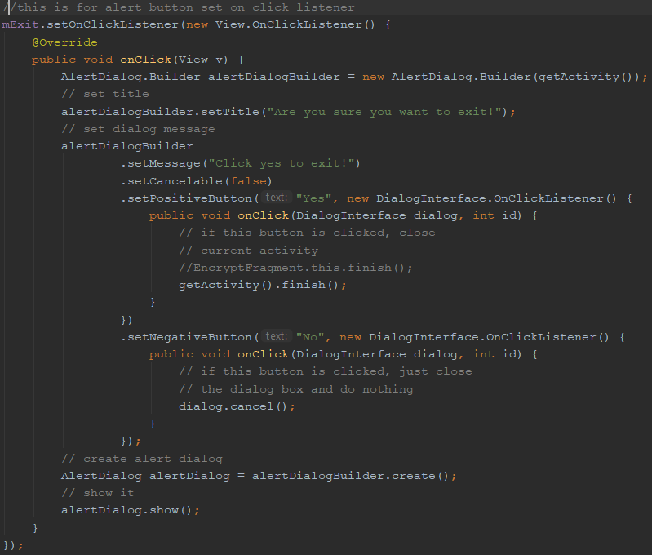 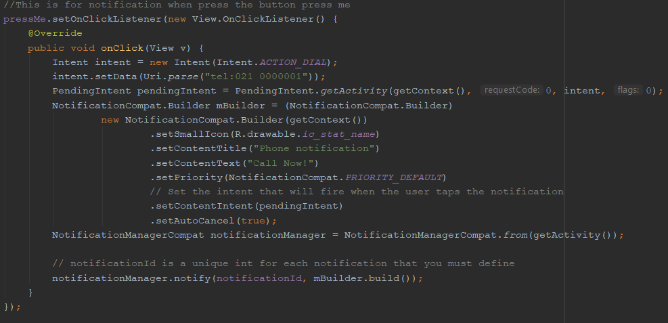

code3 | 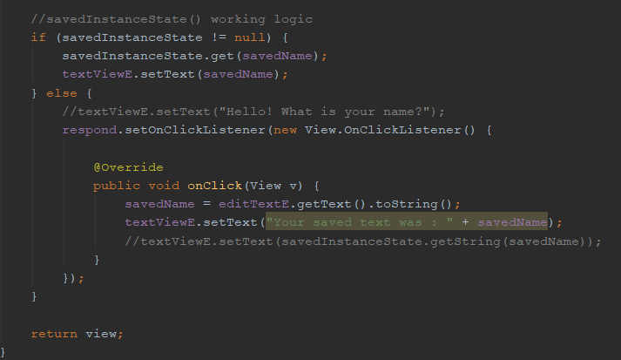
 | Add more app or code screen shots if you need to.

Task 10
 | Documentation

Screen | Description | Total Task Mark Possible | 10
0 | Using a coding standard e.g. Commented code, private variables, automatic variables, use extra classes where appropriate etc. (pick only one source file to show comments etc.). List of Class files and what they do. Evaluation - how did it work out for you, what mistakes did you make, what did you learn. | Done? | yes

 | Which source file did you select to demonstrate a codeing standard on: DecryptFragment.java

Code screen 1 | 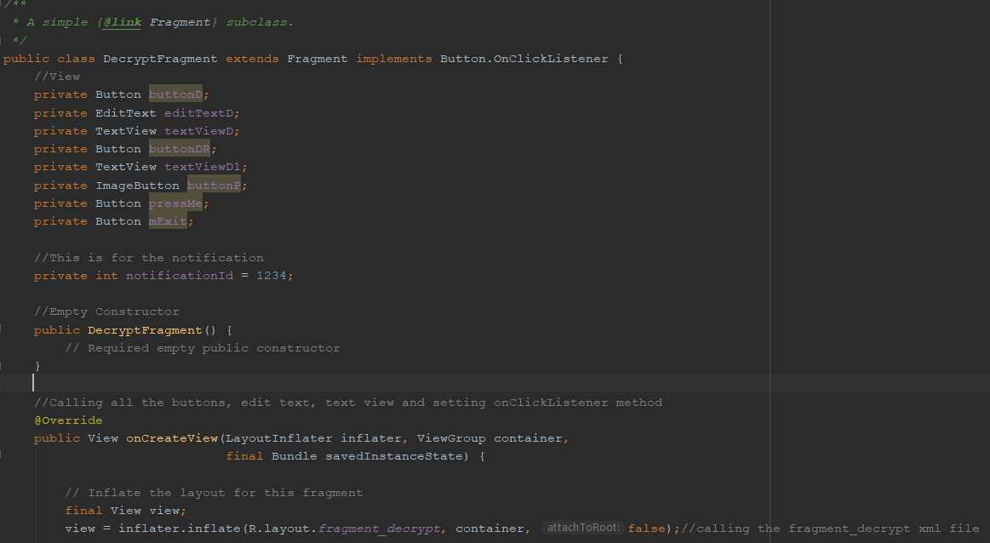 Screen shot of part of selected file
code screen 2
code screen 3 | 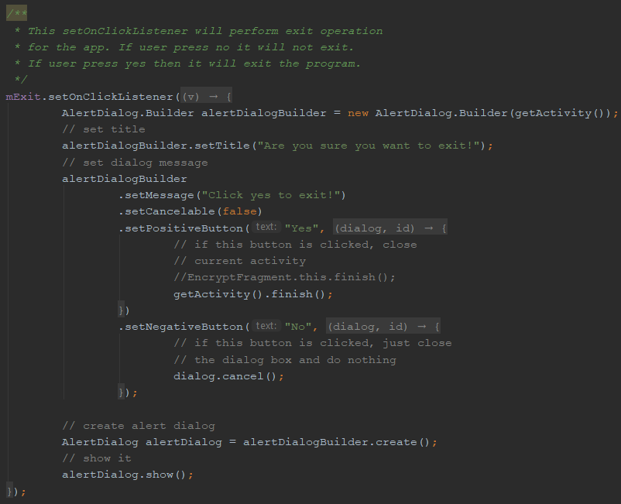
code screen 4 | 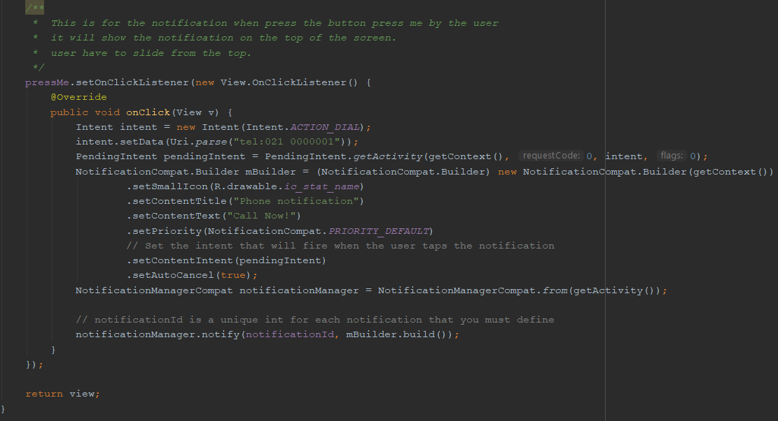
code screen 5 | 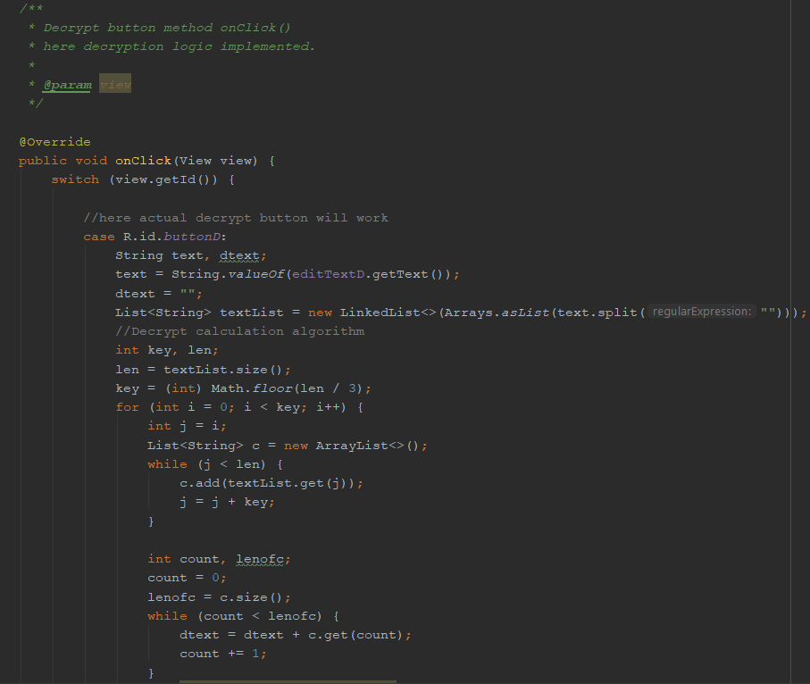
code screen 6 | 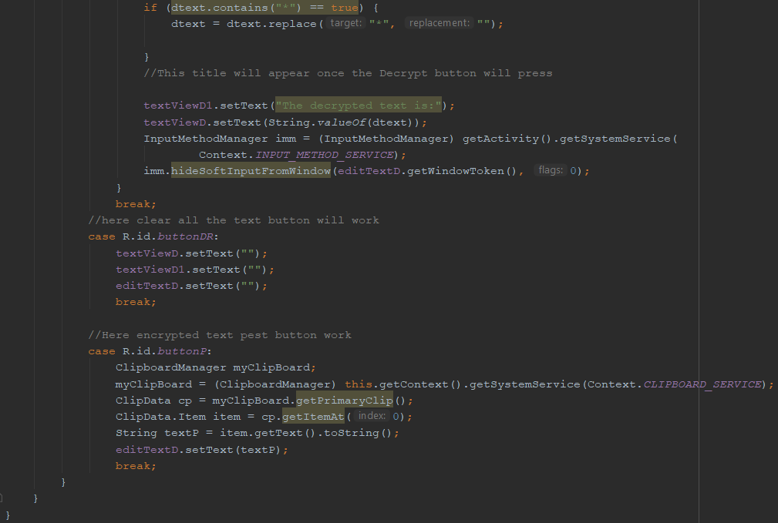

classes | list of classes | Class name
 | DecryptedFragment - This class will perfomr the decryption of the original string message. From that class user can pest actual string which he or she copied from the encryption activity page. user can exit from the app.
 | EncryptFragment - This class will perfomr the actual encryption logic. From there user can share with other as well they can see the notofication. User can also exit from the system if they want. User can see the saved string message. Also user can clear everything.
 | MainActivity- from this class app will start as well as it will setup the EncryptFragment and DecryptFragment class and creating viewPagerAdapter.

 | ViewPagerAdapter - this class will add two fragment and wil lset the page title and setup the positon.

 | Evaluation, what was learned, do differently etc.- With this app I learned lots of new topic for the App development. Like ViewPagerAdapter, Fragment, How to share, how to do notofication, how to do alert, setting button different places on the app screen. Encryption decryption alogrithm. How to do intent. And more and more. This assignment help me lots to learn Androidstudio app development. I got stack lots of time found out after quite lot of research through google Android studio manual as well as stack over flow. I have found quite hard for notification. I have to press button to see the notificationon the screen.Over all I liked this assignment.

